BUSINESS CASE 3
QUALITY SWEETER COMPANY
Quality Sweater Company
In this lesson, we will explore changes in a business's profits by using what-if analysis tools in Excel including data tables and Goal Seek . Read the problem below carefully. If you’d like, take notes and start setting up a spreadsheet model of your own. Then, watch the next video in the course to see a solution.
Scenario
The Quality Sweater Company sells hand-knitted sweaters. The company is planning to print a catalog of its products and undertake a direct mail campaign. The cost of printing the catalog is $20,000 plus $.10 per catalog. The cost of mailing each catalog (including postage, order forms, and buying names from a mail-order database) is $0.15. In addition, the company plans to include direct reply envelopes in its mailing and incurs a $.20 in extra costs for each direct mail envelope used by a respondent. The average size of a customer order is $40, and the company’s variable cost per order (primarily due to labor and material costs) averages about 80% of the order’s value – that is $32. The company plans to mail 100,000 catalogs. It wants to develop a spreadsheet model to answer the following questions:
1.How does a change in the response rate affect profit?
2.For what response rate does the company break even?
3.If the company estimates a response rate of 3%, should it proceed with the mailing?
4.How does the presence of uncertainty affect the usefulness of the model?

COSTS
PRINT OF CATALOG | $20,000.00

VARIABLE

PRINT PER CATALOG | $0.10
EMAIL PER CATALOG | $0.15
DIRECT REPLY PER ORDER | $0.20
LABOR & MATERIALS PER ORDER | $32.00
TOTAL COSTS | $141,600.00
REVENUE

AV.CUSTOMER ORDER SIZE | $40.00
TOTAL REVENUE | $120,000.00

 | PROFIT
3.0% | $(21,600.00)
4.0% | $(13,800.00)
5.0% | $(6,000.00)
6.0% | $1,800.00
7.0% | $9,600.00
8.0% | $17,400.00
9.0% | $25,200.00
10.0% | $33,000.00
NUMBER OF CATALOGS | 100,000 |  | 1. RESPONSE RATE VARIATION WITH PROFIT
RESPONSE RATE (ASSUMPTION) | 3.0% | ASSUMPTION
TOTAL ORDERS | 3,000 | ORDERS GOT BY MULTIPLYING RESPONSE RATE AND TOTAL CATALOGS | RESPONSE RATE | PROFIT

PROFIT | $(21,600.00) |  | 3.0% | $(21,600.00)
 |  |  | 4.0% | $(13,800.00)
 |  |  | 5.0% | $(6,000.00)
 |  |  | 6.0% | $1,800.00
 |  |  | 7.0% | $9,600.00
 |  |  | 8.0% | $17,400.00
 |  |  | 9.0% | $25,200.00
 |  |  | 10.0% | $33,000.00

 |  |  | 2.COMPANY BREAKDOWN
 |  |  | 5.8% WHEN THE PROFIT IS ZERO. USE GOAL SEEK FEATURE.

 |  |  | 3. NO THE COMPANY SHOULDNOT PROCEED

BUSINESS CASE 4
B&N Bookstore
In the previous example, you created a one-way data table to show how variations in one input affected a formula. Using a similar process, you can also build two-way data tables, with both a row input and a column input, to show how variations in two quantities jointly affect the value of a formula.
In this example, we will use two-way data tables to explore uncertain demand. We will also introduce some new and useful Excel functions. Read the problem below carefully. If you’d like, take notes and start setting up a spreadsheet model of your own. Then, watch the next video in the course to see a solution.
Scenario
B&N Bookstore, with many locations across the United States, places orders for all the latest books and then distributes them to its individual bookstores. B&N needs a model to help it order the appropriate number of any title. For example, B&N plans to order a popular new hardback novel, which it will sell for $30. It can purchase any number of this book from the publisher, but due to quantity discounts, the unit cost for all books it orders depends on the number ordered. Specifically, if the number ordered is less than 1000, the unit cost is $24. After each 1000, the unit costs drops: to $23 for at least 1000 copies; to $22.25 for at least 2000; to $21.75 for at least 3000; and to $21.30 (the lowest possible unit cost) for at least 4000. B&N is very uncertain about the demand for this book – it estimates that demand could be anywhere from 500 to 4500. Also, as with most hardback novels, this one will eventually come out in paperback. Therefore, if B&N has any hardbacks left when the paperback comes out, it will put them on sale for $10, at which price it believes all the leftovers will be sold.
How many copies of this hardback novel should B&N order from the publisher?
Remember that the difference between one-way data tables and two-way data tables is the number of inputs. A one-way data table has just one input and any number of outputs. A two-way data table has two inputs and one output. Re-read the prompt, and decide what are the input(s) and what are the output(s).
B & N BOOKSTORE

ORDERS | COST PER ORDER
0 | $24.00
1000 | $23.00
2000 | $22.25
3000 | $21.75
4000 | $21.30 | LOWEST POSSIBLE UNIT COST

COSTS | $12,000.00 | VLOOOKUP(B15,A3:B8,2,TRUE)*B16

REVENUE | $15,000.00 | MIN(B14:B15)*B16 (NO SURPLUS) OR
 |  | MIN(B14:B15)*B16+B23*B18(SURPLUS,LEFTOVERS)

DEMAND RANGE | 500 | (500-4500)
ORDERS | 500
SELLING PRICE PER ORDER(REGULAR PRICE) | $30.00
PAPERBACK PRICE(LEFTOVER SELLING PRICE) | $10.00

PROFIT: | $3,000.00 | B12-B10

SURPLUS | 0 | MAX( B16-B15,0)
#FORMULA2 | 0 | IF(B16<B15,0,B16-B15)

 |  | ANSWER | USING DATA TABLE IN WHATIF ANALYSIS TOOLKIT, FILL IN ROW AND COLUMN IN PUT ACCORDING TO YOUR TABLE.

 |  |  | DEMAND
 |  | $3,000.00 | 500 | 1000 | 1500 | 2000 | 2500 | 3000 | 3500 | 4000 | 4500
 | ORDERS | 500 | $3,000.00 | $3,000.00 | $3,000.00 | $3,000.00 | $3,000.00 | $3,000.00 | $3,000.00 | $3,000.00 | $3,000.00
 |  | 1000 | $(8,000.00) | $7,000.00 | $7,000.00 | $7,000.00 | $7,000.00 | $7,000.00 | $7,000.00 | $7,000.00 | $7,000.00
 |  | 1500 | $(19,500.00) | $(4,500.00) | $10,500.00 | $10,500.00 | $10,500.00 | $10,500.00 | $10,500.00 | $10,500.00 | $10,500.00
 |  | 2000 | $(29,500.00) | $(14,500.00) | $500.00 | $15,500.00 | $15,500.00 | $15,500.00 | $15,500.00 | $15,500.00 | $15,500.00
 |  | 2500 | $(40,625.00) | $(25,625.00) | $(10,625.00) | $4,375.00 | $19,375.00 | $19,375.00 | $19,375.00 | $19,375.00 | $19,375.00
 |  | 3000 | $(50,250.00) | $(35,250.00) | $(20,250.00) | $(5,250.00) | $9,750.00 | $24,750.00 | $24,750.00 | $24,750.00 | $24,750.00
 |  | 3500 | $(61,125.00) | $(46,125.00) | $(31,125.00) | $(16,125.00) | $(1,125.00) | $13,875.00 | $28,875.00 | $28,875.00 | $28,875.00
 |  | 4000 | $(70,200.00) | $(55,200.00) | $(40,200.00) | $(25,200.00) | $(10,200.00) | $4,800.00 | $19,800.00 | $34,800.00 | $34,800.00
 |  | 4500 | $(80,850.00) | $(65,850.00) | $(50,850.00) | $(35,850.00) | $(20,850.00) | $(5,850.00) | $9,150.00 | $24,150.00 | $39,150.00

BUSINESS CASE 5
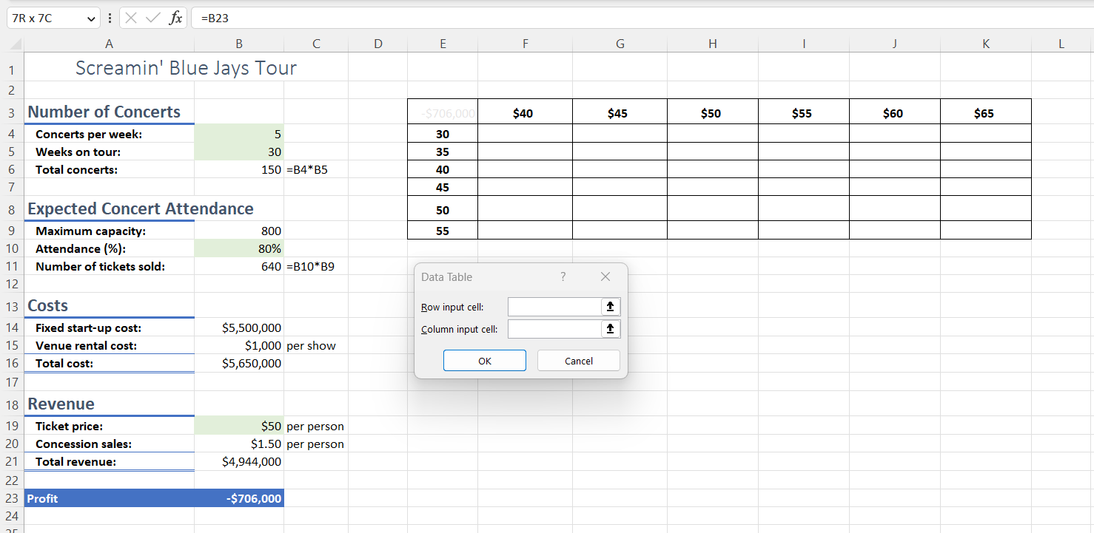
Scenario
You are going to manage a band, The Screamin' Blue Jays, which will go on tour across the United States. The tour costs $5.5 million to fund and develop. There will be 5 concerts per week and you project the band to be on the road for 30 weeks. The average cost to rent different venues on tour is $1000 per show. Tickets will sell at $50 each. You also earn an average of $1.50 profit per ticket from concession sales. Each venue has a maximum capacity of 800 seats and you expect 80% of the seats to be full.
Part 2: Analysis
Now, use your spreadsheet model to answer the following questions.
8.
Question 8
How many weeks will the band need to be on tour in order to break even?
1 point
69 weeks
35 weeks
34 weeks
68 weeks
9.
Question 9
Return to your original plan for a 30 week tour.
How does an increase in the percentage of seats sold from 80% to 90% affect profit?
1 point
At 80% of seats sold, the tour is making a profit, but that profit decreases when 90% of seats are sold.
At 80% of seats sold, the tour is making a profit, and that profit increases when 90% of seats are sold.
At 80% of seats sold, the tour is losing money. At 90% of seats sold, the tour is still losing money, but the loss decreases.
10.
Question 10
To increase profits, you can plan to add more weeks to the tour, increase ticket prices, or possibly both. You can think of two options:
keep the ticket price at $50 but increase the tour length to 60 weeks , or
increase the ticket price to $55 and increase the tour length to 50 weeks
Which option would result in a higher profit?
1 point
Keep the ticket price at $50 but increase the tour length to 60 weeks
Increase the ticket price to $55 and increase the tour length to 50 weeks
THE SCREAMIN' BLUE JAYS

Number of Concerts
Concerts per week | 5
Weeks on tour | 30
Total concerts | 150 | B4*B5

Expected Concert Attendance
Maximum seats capacity | 800
Attendance(%) | 80%
Number of tickets sold | 640 | B10*B9

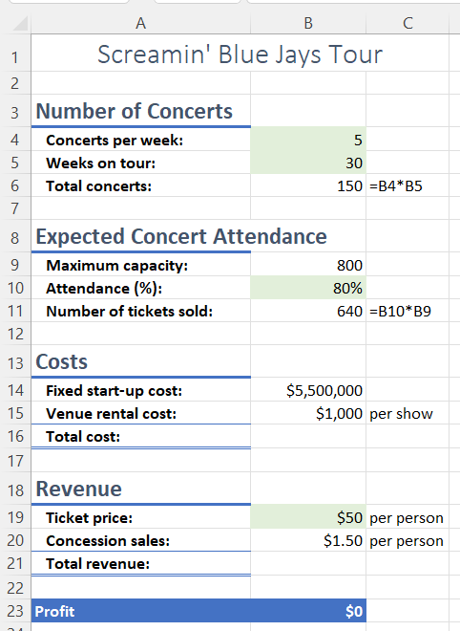
Costs
Fixed cost | $5,500,000.00
Average rent cost | $1,000.00 | per show
Total Cost | $5,650,000.00

Revenue
Ticket price | $50.00 | per ticket
Concession sales | $1.50 | per ticket
Total Revenue | $4,944,000.00

Profit | -$706,000.00

Qn.8(break even means profit is equal to costs)

Qn.9 optionc

Qn.10 option1

